Dashboard
SALES DASHBOARD
Top Region
West
$ 219k
$ 725k
$ 108K
37.86%
 | Տեխնիկական որոշ մոտեցումներ



Total Sales2
$ 2,297,201
Total Profit
$ 286,397
Profit %
12%
The percentage distribution of the category within each segment
 | Consumer | Corporate | Home Office
Furniture | 14.34% | 26.56% | 25.49%
Office Supplies | 124.14% | 139.88% | 167.19%
Technology | 139.73% | 143.75% | 133.42%



the West leads both in terms of sales and profit
 | Sum of Sales | Sum of Profit
Central | 501239.8908 | 39706.3625
East | 678781.24 | 91522.78
South | 391721.905 | 46749.4303
West | 725457.8245 | 108418.4489
The most Sales were made in 2017` $ 219k
 | Central | East | South | West
2014 | 46878.8652 | 42213.835 | 31386.512 | 58427.4775
2015 | 76762.9628 | 131975.513 | 81777.0985 | 82462.7685
2016 | 129307.6828 | 159962.406 | 91806.76 | 185700.7305
2017 | 130599.504 | 160597.462 | 90505.3975 | 219332.43
2018 | 89207.9132 | 149920.756 | 73226.576 | 142533.94
2019 | 28482.9628 | 34111.268 | 23019.561 | 37000.478

Sum of discount interest by Sub-category
 | Total
Binders | 36.32%
Phones | 8.80%
Furnishings | 8.48%
Chairs | 6.73%
Paper | 6.57%
Tables | 5.34%
Appliances | 4.97%
Storage | 4.05%
Accessories | 3.89%
Art | 3.82%
Bookcases | 3.08%
Machines | 2.25%
Labels | 1.60%
Envelopes | 1.31%
Fasteners | 1.14%
Supplies | 0.94%
Copiers | 0.70%

 | Recommendation from the analysis

The large interest Profit was in the West
 | Total
Central | 13.86%
East | 31.96%
South | 16.32%
West | 37.86%
Percentage of Discounts for Categoryes
 | Total
Furniture | 23.63%
Office Supplies | 60.71%
Technology | 15.66%
the West is the leading region in its work

South must take measures to improve its sales. Can increase discount percentages on certain products, revise marketing moves based on that, and see increased profits

Dashboard Examples
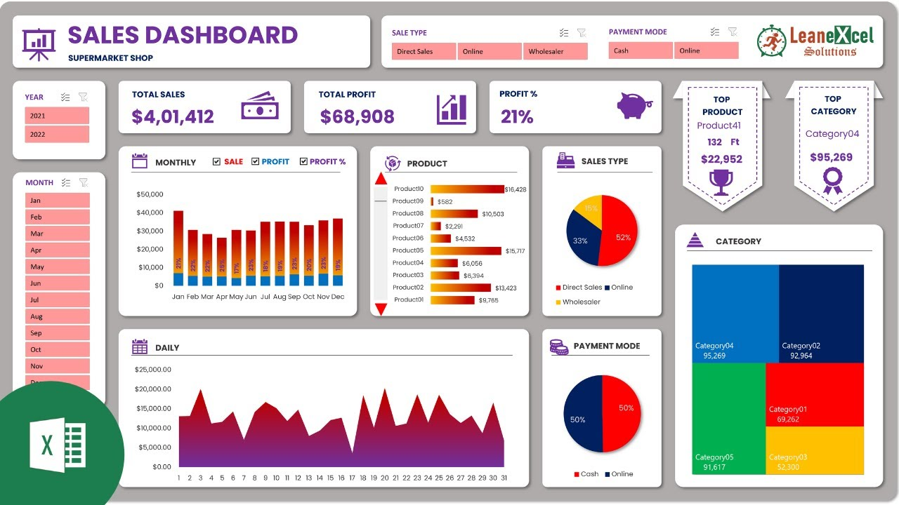
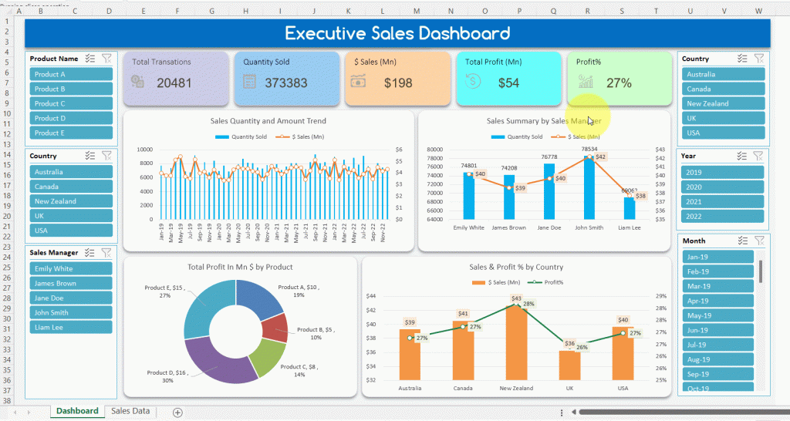
Այստեղ կարող ես տեսնել նկարներ թե ինչ տեսքի են լինում Dashboard-երը, որը կօգնի քեզ ստեղծելու dashboard քո տվյալների հիման վրա

